Instructions
8D Problem Analysis Report
Form

The 8D Problem Analysis Report is ONLY a report to present the problem solving approach used and is not a tool to solve issues

This 8D Problem Analysis Report has to be supported by problem solving method for root cause identification and verification, preventive action identification and verification.

Some guidelines are available for each step of the problem solving method in this workbook in the related sheets

All records shall be collected by Champion as evidence of actions taken.

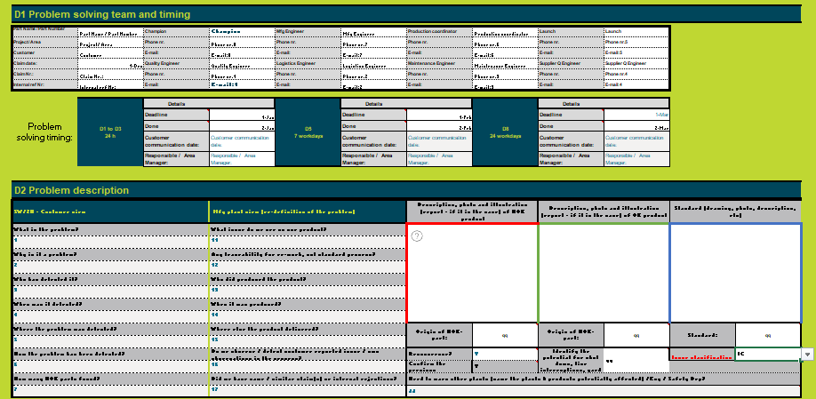
8D assignment criteria
The 8D Problem solving process is required when any one of the following is applicable:
 | · Safety or regulatory issues have been discovered
 | · Customer complaints are received and the customer requires an 8D to resolve issue
 | · Warranty concerns indicate greater failure rates than expected
 | · Internal rejects, waste, scrap (generating COPQ); poor performance or test failures are present at unacceptable levels
 | · First time issue reported in the plant
 | · New failure mode that is not addressed in existing PFMEA
 | · A failure occurs and the severity rating for the existing failure mode severity rating is 9 or 10 (Follow PPSC process)
 | · A failure occurs and the severity rating for the existing failure mode severity rating is 8 or less and root cause is unknown
 | · Recurrence of previous issue / failure of permanent corrective actions

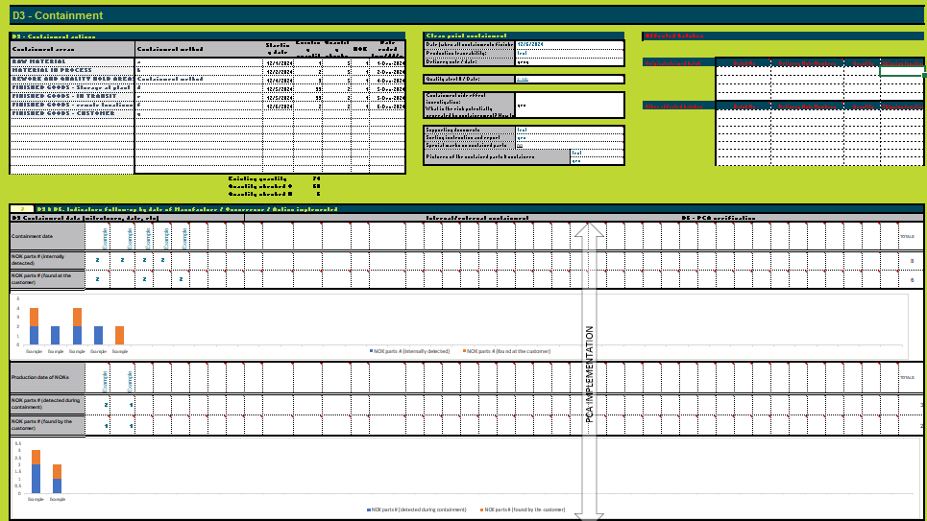
 |  | Note: If a failure occurs and the severity rating for the failure mode is 9 or 10 then follow the Potential Product Safety Concern work instruction for the problem solving analysis.
General
 |  | As a support for the Problem Solving process, the team can choose: - either to use the supporting tabs of the current Excel dedicated for each of the steps (D1, D2, D3…D7-8) - or to use the "8D Form"

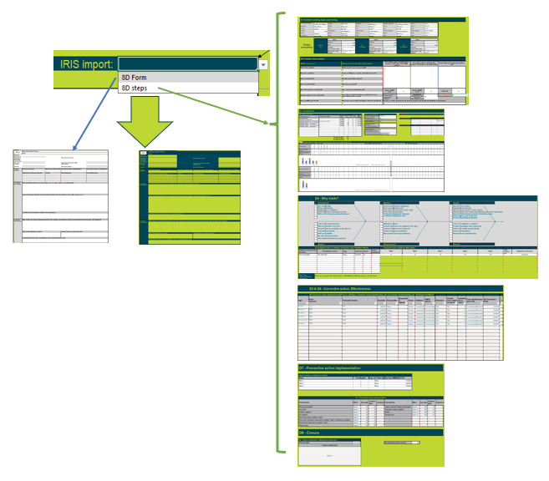
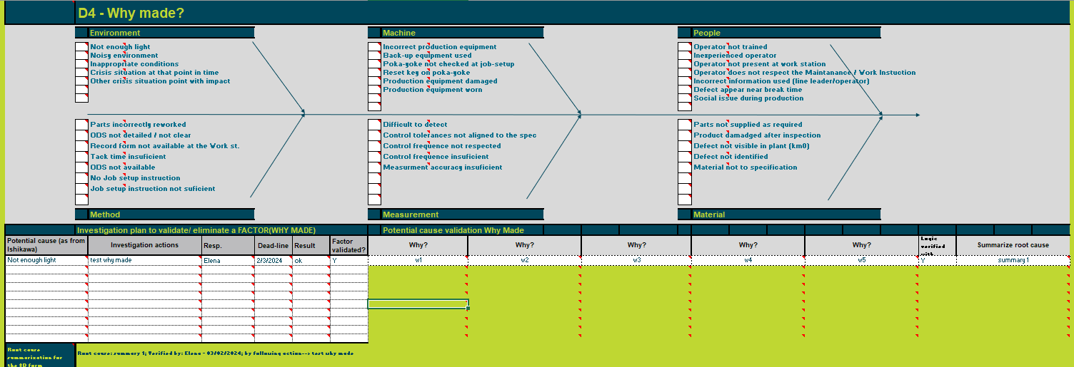
 |  | When using the worksheets D1-D8, the information can be copied automatically (with formulas) in the worksheet "8D Form". Right side mirrored form from "8D Form" is the one that will be used when uploading the form in IRIS. By default, the selector from cell F3 is set for 8D form (meaning that the IRIS transfer will be done based on the information of 8D form ("8D Form" - left side). When the user wants to upload in IRIS the information from D1-D8 worksheets, should change the selector F3 to "8D steps".
 |  |  | 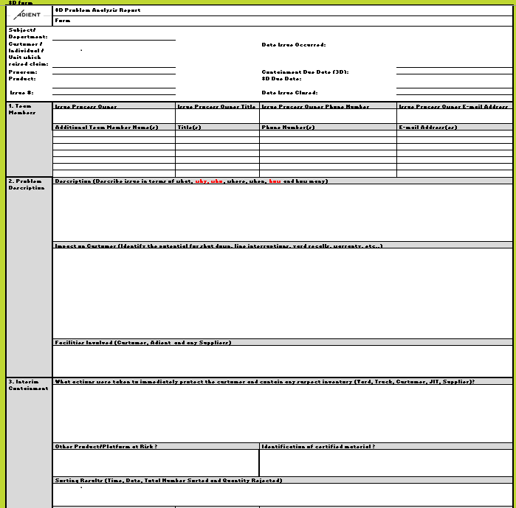 | 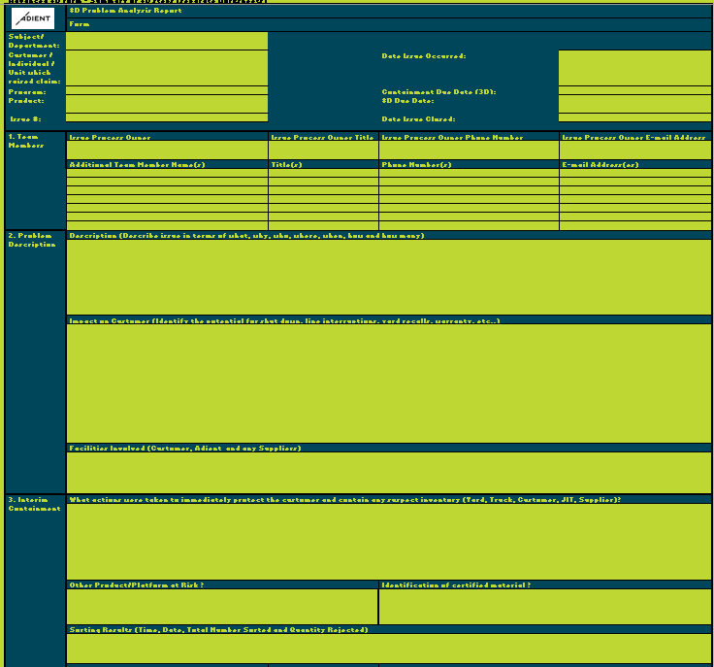

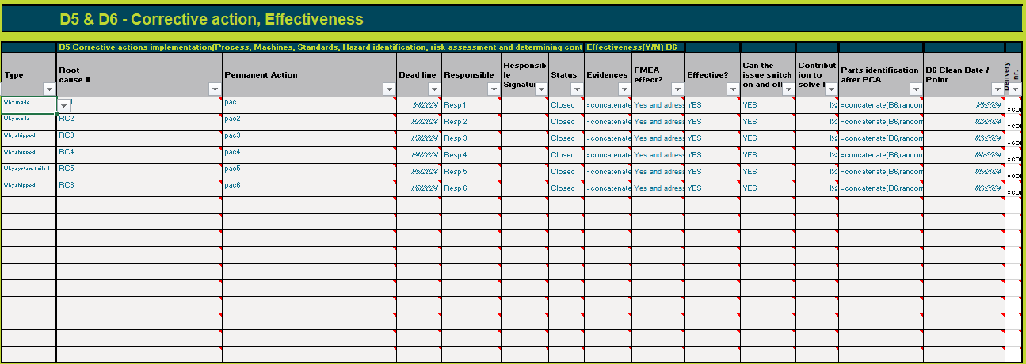

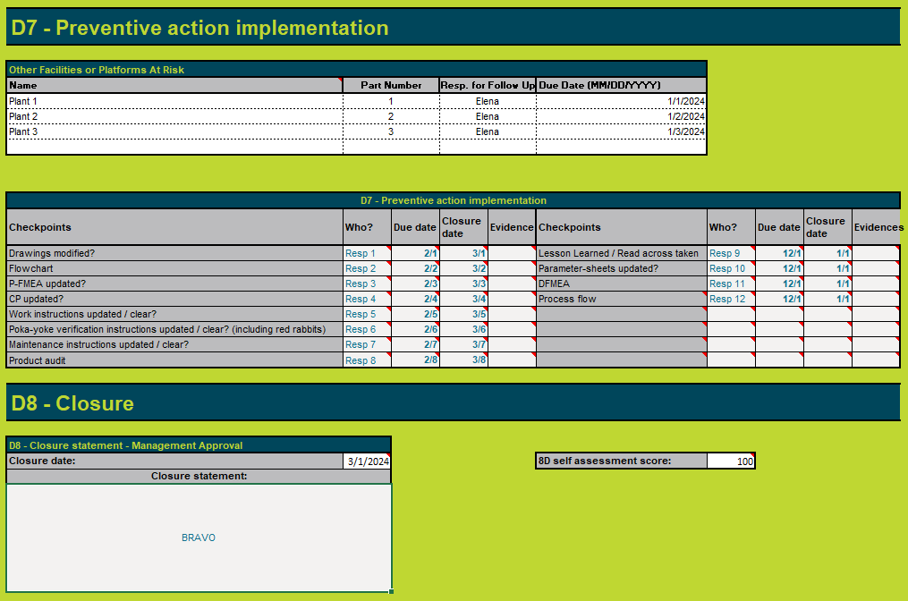

 |  | IMPORTANT: all worksheets are protected, no password applied. In case the user will unprotect and change the worksheets D1-D8, some information might not be correctly transferred to worksheet "8D Form"
 |  | The default mode of the worksheets D1-D8 is "Protected". The user have access to the cells where the information is needed - colored with white background. Most of the cells have notes, indicating to the user the expected content.
 | The "Summary" worksheet consolidates the 8D details using Excel functionalities. Additionally, it includes an embedded PowerPoint file, offering users a ready-made presentation for future use. To update the PowerPoint after the initial opening, right-click on the presentation object, select "Edit," and follow the prompt to update links. Upon confirmation, the PowerPoint will be updated.

Help for fulfilling the 8D report Form

HEADER

1) | Subject / Department: e.g., Quality, H&S, Environmental
2) | Customer: (e.g., Chrysler); Individual / Unit which raised claim:
3) | Program: (e.g., LH)
4) | Product: (e.g., Overhead System)
5) | Issue #: Adient issue tracking # (May also include Customer or Supplier tracking #)
6) | Date Issue Occurred: Open date for the issue
7) | 3D Due Date: Default is 24 hours from date issue occurred
8) | 8D Due Date: If applicable. Default is 1 week from date issue occurred
9) | Date Issue Closed: All permanent corrective actions have been implemented and their effectiveness validated; All required support documents have been submitted.

1- TEAM MEMBERS (for help refer to sheet "1 Team")
1) | Champion Name/Title/Phone Number/Email Address: Contact information for the individual who is leading the corrective action and submitting the 3D/8D.
2) | Additional Team Member Name(s)/Title(s)/Phone Number(s)/Email Address(es): Contact information for the cross-functional team members who share responsibility for the corrective actions.

2- PROBLEM DESCRIPTION (for help refer to sheet "2 Problem")
1) | Description: Describe the issue from a customer’s perspective; what would they know?
 |  | When: When were the parts manufactured? When were they assembled? When were the assemblies shipped to the customer? When assembled in vehicles? When shipped from the customer?
 |  | Detection: How was Adient made aware of the issue? Who provided the information?
 |  | Extent: How many units are suspected? Proportion found suspect. Where has the data come from - in house, in transit, at customer.
 |  | Failure Mode: How does the issue manifest itself?
2) | Impact on Customer: Identify the potential for shut down, line interruptions, yard recalls, warranty. etc.
3) | Facilities Involved: Customer, Adient and any Suppliers.

3- INTERIM CONTAINMENT (for help refer to sheet "3 Containment")
1) | What actions were taken to immediately protect the customer and contain any suspect inventory? Since original notification, how are we containing this issue? What is the current containment status? What sorting have we done, where and how have we verified it’s effectiveness? If a rework or retrofit plan has commenced – what is it and how have we verified effectiveness – attach plan with sketches and trend graphs. (refer to Quality alert form)
2) | Other Product/Platform at Risk: Other Adient's lines or Customers who may be impacted by this issue
3) | Identification of Certified Material: Color, size, location, and content of label or hand-written identification on each part and/or container of certified material.
4) | Sorting Results: Time, date, total number sorted and quantity rejected - broken down by facility (e.g., Customer, Adient, Supplier) (Refer to Quality Roadmap form)
5) | Sorted #: Total # sorted at all facilities
6) | Defect #: Total # of defects found at all facilities
7) | Interim Containment Start Date: Date

4- ROOT CAUSE (for help refer to sheet "4 Root Cause")
 | Note: The form provides fields for documentation of a single root cause. If additional root causes are identified insert additional "Root Cause" sections as necessary.
1) | Why Made & How Verified: Identify each root cause for why the issue occurred. Has it been turned on and off? How? Verify through statistical evidence/hypothesis testing. If not verified by turning on/off, identify as a suspected root cause.
 |  | Variation: What are opportunities for variation in the process, i.e. how many fixtures do the same process? How many weld cells or robots? Etc.
2) | Why Shipped & How Verified: Identify each root cause for why the issue escaped. Has it been turned on and off? How? Verify through statistical evidence/hypothesis testing. If not verified by turning on/off, identify as a suspected root cause.
3) | Why System Failed & How Verified: Identify the root cause for why the system failed. Has it been turned on and off? How?
Other tools to define or discover the root cause can be used as fishbones, Kepner-Tregoe, Hypothesis Analysis, …

5 - PERMANENT CORRECTIVE ACTION (for help refer to sheet "5 Perm. CA")
 | Note: The form provides fields for documentation of a single root cause verification. If additional root causes have been identified insert additional "Permanent Corrective Action" sections as necessary.
1) | Corrective Action for Why Made: Identify permanent corrective action(s) planned to address the root cause.
2) | Corrective Action for Why Shipped: Identify permanent corrective action(s) planned to address the root cause.
3) | Corrective Action for Why the System Failed: Identify permanent corrective action(s) planned to address the root cause.

6 - VERIFICATON OF CORRECTIVE ACTIONS (for help refer to sheet "6 Verify CA")
1) | Has the issue been turned on and off? How? Verification through statistical evidence / hypothesis testing. Verification of corrective action for each why made and why shipped is required.
2) | Corrective Action Owner Name/Phone Number/Email Address: Contact information for the individual responsible for implementing the corrective action.
3) | Target Completion Date: Date by which all of the corrective actions for this root cause will be implemented.
4) | Build Date for Certified Material: "Clean point" at which all material is certified as good.
5) | How Will New Parts Be Identified? Color, size, location, and content of label or hand-written identification on each part and/or container of certified material.

7 - PREVENTION (for help refer to sheet "7 Prevent")
 | Note: The form provides fields for documentation of a single prevention measure. If additional prevention measures have been identified insert additional "Prevention" sections as necessary.
1) | How will this issue be avoided in the future? Identify systematic changes that will be put in place to prevent the issue from occurring again. If applicable, standardize the improvements in other "at risk" areas.
2) | Other Facilities or Platforms At Risk? Identify name, part#, corrective action owner for follow up & due date for any other facility or platform that may be at risk for the same issue. Enter "N/A" if the issue is isolated.
3) | Has the necessary documentation been reviewed and if necessary updated? Identify and list the documents that must be reviewed to determine the impact of the corrective actions. For manufacturing sites the PFMEA, Control Plan, Process Flow, and Operation Instruction must be reviewed and evidence of the updates to be submitted with the 8D. Enter N/A if the other areas do not require a review. Include the person responsible for the review and/or updates and the dates by which they will be reviewed and/or updated. Evidence of the document reviews must be maintained. NB: A copy, screen print of changed area must be submitted with the 8D as evidence. This includes the FMEA, Control plan, Process flow, Operation instruction, etc.

8- CLOSURE (for help refer to sheet "8 Closure")
1) | Closure Statement: “Close issue…” (Begin with words noted in “” followed by the rationale for closure.)

Problem solving method

References
 | Corrective Action / Problem Solving procedure (AE-LOS-PR-14)
 | Quality Alert form (AE-MOS-FR-60)

D1-D2
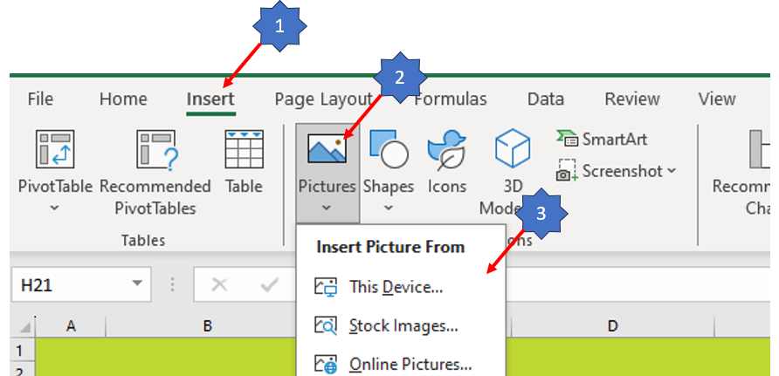

D1 Problem solving team and timing |  |  |  |  |  |  |  |  |  | What issue do we see on our product? - Any traceability for re-work, not standard process? - Who produced the product? - When it was produced? When it was delivered? - Where else is the product delivered? - Do we observe / detect customer reported issue / own observations in the process? - Did we have the same / similar claim(s) or internal rejections? -

Part Name / Part Number |  |  |  | Mfg Engineer |  | Production coordinator |  | Launch |  | Problem definition from customer point of view: What is the problem? - Why is it a problem? - Who has detected it? - When was it detected? - Where the problem was detected? - How the problem has been detected? - How many NOK parts found? - Potential for shut down, line interruptions, yard recalls, warranty, etc.:
Project/ Area |  | Phone nr. |  | Phone nr. |  | Phone nr. |  | Phone nr.
Customer |  | E-mail: |  | E-mail: |  | E-mail: |  | E-mail:
Claim date: |  | Quality Engineer |  | Logistics Engineer |  | Maintenance Engineer |  | Supplier Q Engineer
Claim Nr.: |  | Phone nr. |  | Phone nr. |  | Phone nr. |  | Phone nr.
Internal ref Nr: |  | E-mail: |  | E-mail: |  | E-mail: |  | E-mail:

Problem solving timing: | D1 to D3 24 h | Details |  | D5 7 workdays | Details |  | D8 24 workdays | Details
 |  | Deadline |  |  | Deadline |  |  | Deadline
 |  | Done |  |  | Done |  |  | Done
 |  | Customer communication date: |  |  | Customer communication date: |  |  | Customer communication date:
 |  | Responsible / Area Manager: |  |  | Responsible / Area Manager: |  |  | Responsible / Area Manager:

D2 Problem description

5W/2H - Customer view |  |  | Mfg plant view (re-definition of the problem) |  |  | Description, photo and illustration (report - if it is the case) of NOK product |  | Description, photo and illustration (report - if it is the case) of OK product | Standard (drawing, photo, description, etc)
What is the problem? |  |  | What issue do we see on our product?

Why is it a problem? |  |  | Any traceability for re-work, not standard process?

Who has detected it? |  |  | Who produced the product?

When was it detected? |  |  | When it was produced? When it was delivered?

Where the problem was detected? |  |  | Where else is the product delivered? |  |  | Origin of NOK-part: |  | Origin of OK-part: | Standard:

How the problem has been detected? |  |  | Do we observe / detect customer reported issue / own observations in the process? |  |  | Reoccurence? |  | Identify the potential for shut down, line interruptions, yard recalls, warranty, etc.. | Issue clasification

How many NOK parts found? |  |  | Did we have the same / similar claim(s) or internal rejections? |  |  | Need to warn other plants (name the plants & products potentially affected) /Eng / Safety Dep?

 | Do you want to have "Is/Is not investigation"? |  |  | NO

5W 2H | IS |  |  |  | IS NOT
WHAT | What specific object(s) has the deviation? |  |  |  | What similar object(s) could reasonably have the deviation, but does not?
 | What is the specific deviation? |  | 0 |  | What other deviations could reasonably be observed, but are not?
WHERE | Where is the object when the deviation is observed (geographically)? |  | 0 |  | Where else could the object be when the deviation is observed, but is not?
 | Where is the deviation on the object? |  |  |  | Where else could the deviation be located on the object, but is not?
WHO | Who detected the issue? |  | 0
WHEN | When was the deviation observed first (in clock and calendar time)? |  | 0 |  | When else could the deviation have been observed first, but was not?
 | When since that time has the deviation been observed? Any pattern? |  |  |  | When since that time could the deviation have been observed, but was not?
WHY | Why is this a problem? |  | 0
How Many | How many objects have the deviation? |  | 0 |  | How many objects could have the deviation, but do not?
How often | What is the trend? |  |  |  | What could be the trend, but is not?

D3
 |  |  |  |  |  |  |  |  |  |  |  |  |  |  |  |  |  |  |  |  |  | RAW MATERIAL--->; Date started: NA. Quantity checked: 0; ===> 0 found NOK. MATERIAL IN PROCESS--->; Date started: NA. Quantity checked: 0; ===> 0 found NOK. REWORK AND QUALITY HOLD AREAS--->; Date started: NA. Quantity checked: 0; ===> 0 found NOK. FINISHED GOODS - Storage at plant--->; Date started: NA. Quantity checked: 0; ===> 0 found NOK. FINISHED GOODS - IN TRANSIT--->; Date started: NA. Quantity checked: 0; ===> 0 found NOK. FINISHED GOODS - remote locations--->; Date started: NA. Quantity checked: 0; ===> 0 found NOK. FINISHED GOODS - CUSTOMER--->; Date started: NA. Quantity checked: 0; ===> 0 found NOK.
D3 - Containment |  |  |  |  |  |  |  |  |  |  |  |  |  |  |  |  |  |  |  |  |  | Date (when all containments finished): 00/01/1900 Production traceability: Delivery note / date: 00/01/1900

D3 - Containment actions |  |  |  |  |  |  |  |  |  |  |  |  | Clean point containment | Affected batches
Containment areas |  |  |  | Containment method |  |  |  | Starting date | Existing quantity | Quantity checked | NOK | Date ended [mm/dd/yyyy] | Date (when all containments finished):
 |  |  |  |  |  |  |  |  |  |  |  |  | Production traceability:
RAW MATERIAL |  |  |  |  |  |  |  |  |  |  |  |  | Delivery note / date: | Original claimed batch |  | Batch No |  | Delivery Note Numbers | Quantity | Shipping location
MATERIAL IN PROCESS
REWORK AND QUALITY HOLD AREAS |  |  |  |  |  |  |  |  |  |  |  |  | Quality alert # / Date:
FINISHED GOODS - Storage at plant
FINISHED GOODS - IN TRANSIT |  |  |  |  |  |  |  |  |  |  |  |  | Containment side effect investigation: What is the risk potentially generated by containenment? How to prevent?
FINISHED GOODS - remote locations |  |  |  |  |  |  |  |  |  |  |  |  |  | Other affected batches |  | Batch No |  | Delivery Note Numbers | Quantity | Shipping location
FINISHED GOODS - CUSTOMER

 |  |  |  |  |  |  |  |  |  |  |  |  | Supporting documents
 |  |  |  |  |  |  |  |  |  |  |  |  | Sorting instruction and report
 |  |  |  |  |  |  |  |  |  |  |  |  | Special marks on contained parts
 |  |  |  |  |  |  |  |  |  |  |  |  | Pictures of the contained parts & containers

 |  |  |  |  |  |  | Existing quantity |  | 0
 |  |  |  |  |  |  | Quantity checked OK |  | 0
 |  |  |  |  |  |  | Quantity checked NOK |  | 0

PCA IMPLEMENTATION
? | D3 & D6. Indicators follow-up by date of Manufacture / Occurrence / Action implemented
D3 Containment data (milestones, date, etc) |  |  |  |  |  |  |  |  |  |  |  |  | Internal/external containment |  | D6 - PCA verification
Containment date |  | Example | Example | Example | Example | Example |  |  |  |  |  |  |  |  |  |  |  |  |  |  | TOTALS
NOK parts # (internally detected) |  | 2 | 2 | 2 | 2 |  |  |  |  |  |  |  |  |  |  |  |  |  |  |  | 8
NOK parts # (found at the customer) |  | 2 |  | 2 |  | 2 |  |  |  |  |  |  |  |  |  |  |  |  |  |  | 6
 | NOK parts # (internally detected) | NOK parts # (found at the customer)
Example | 2 | 2
Example | 2
Example | 2 | 2
Example | 2
Example |  | 2

Production date of NOKs |  | Example | Example |  |  |  |  |  |  |  |  |  |  |  |  |  |  |  |  |  | TOTALS
NOK parts # (detected during containment) |  | 2 | 1 |  |  |  |  |  |  |  |  |  |  |  |  |  |  |  |  |  | 3
NOK parts # (found by the customer) |  | 1 | 1 |  |  |  |  |  |  |  |  |  |  |  |  |  |  |  |  |  | 2
 | NOK parts # (detected during containment) | NOK parts # (found by the customer)
Example | 2 | 1
Example | 1 | 1

 |  |  |  |  |  |  |  |  |  |  |  |  |  |  |  |  | Note: Move the bar for PCA implementation at corresponding date

Summary
 |  |  | Note - if your changes are not reflected in the presentation object -> right click, presentation object -> edit. You will be prompted to update links. Please accept

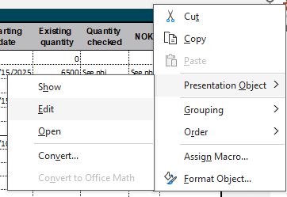

Why made - Root cause | Why Shipped - Root cause | Why System failed - Root cause
• | • | •
Action plan | Action plan | Action plan

Customer:
Program:
Product:
Problem description | Containment
0 | 0

Root cause why made | Action plan for why made
0 | 0
Root cause why shipped | Action plan for Why shipped
0 | 0
Root cause why system failed | Action plan for Why system failed
0 | 0

